IDF232
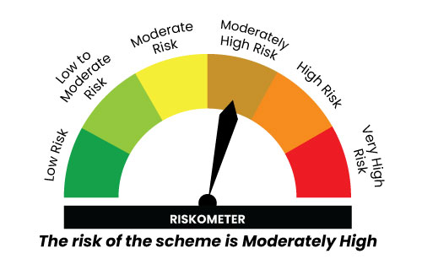

IDF232
INDEX | Portfolio Statement as on January 31,2025
 | Bandhan Credit Risk Fund

 | Name of the Instrument | ISIN | Industry / Rating | Quantity | Market/Fair Value ( Rs. in Lacs) | % to NAV | YTM
 | Debt Instruments
 | (a) Listed / awaiting listing on Stock Exchange
 | Government Securities
GOI5196 | 7.18% Government of India | IN0020230077 | SOVEREIGN | 5,200,000 | 5,346.71 | 18.47% | 6.96%
GOI5228 | 7.18% Government of India | IN0020230085 | SOVEREIGN | 500,000 | 513.67 | 1.77% | 6.87%
 | Non Convertible Debentures
CENT241 | 8.1% Aditya Birla Real Estate Limited ** | INE055A08037 | CRISIL AA | 4,000,000 | 3,991.92 | 13.79% | 8.24%
TATP39 | 8.43% Tata Projects Limited ** | INE725H08154 | FITCH AA | 3,000,000 | 3,007.26 | 10.39% | 8.17%
GOSL384 | 8.42% Godrej Industries Limited ** | INE233A08139 | CRISIL AA+ | 2,500,000 | 2,513.30 | 8.68% | 8.20%
TVCS100 | 8.3% TVS Credit Services Limited ** | INE729N07032 | CRISIL AA | 2,500,000 | 2,499.28 | 8.63% | 8.30%
AFPL104 | 10.9% AU Small Finance Bank Limited ** | INE949L08418 | CRISIL AA | 2,000,000 | 2,010.91 | 6.95% | 9.00%
NIMA376 | 8.4% Nirma Limited | INE091A07216 | CRISIL AA | 2,000,000 | 2,003.56 | 6.92% | 8.20%
AAHF89 | 8.5% Aadhar Housing Finance Limited ** | INE883F07314 | ICRA AA | 2,000,000 | 2,001.64 | 6.91% | 8.38%
MUFL429 | 8.97% Muthoot Finance Limited | INE414G07JH5 | CRISIL AA+ | 1,500,000 | 1,508.66 | 5.21% | 8.63%
NCCL44 | 7.75% Nuvoco Vistas Corporation Limited ** | INE118D07195 | CRISIL AA | 1,500,000 | 1,495.52 | 5.17% | 8.03%
GHFL46 | 8.4% Godrej Housing Finance Limited ** | INE02JD07041 | CRISIL AA+ | 1,000,000 | 1,004.30 | 3.47% | 8.22%
 | Subtotal |  |  |  | 27,896.73 | 96.36%
 | (b) Privately placed / Unlisted |  |  |  | NIL | NIL | NIL
 | Subtotal |  |  |  | NIL | NIL | NIL
 | Total |  |  |  | 27,896.73 | 96.36%
 | Money Market Instruments
 | TREPS / Reverse Repo Instrument
TRP_030225 | Triparty Repo TRP_030225 |  |  |  | 131.64 | 0.45% | 6.62%
 | Total |  |  |  | 131.64 | 0.45%
 | Corporate Debt Market Development Fund
CDMD50ME | Corporate Debt Market Development Fund Class A2 | INF0RQ622028 |  | 1,412.629 | 154.13 | 0.53%
 | Total |  |  |  | 154.13 | 0.53%
 | OTHERS
 | Cash Margin - CCIL |  |  |  | 0.01 | $
 | Subtotal |  |  |  | 0.01 | $
 | Net Current Assets |  |  |  | 769.35 | 2.66%
 | GRAND TOTAL |  |  |  | 28,951.86 | 100.00%

 | $ Less Than 0.01% of NAV
 | ** Thinly Traded/Non Traded Securities/Illiquid Securities

 |  |  |  |  | BENCHMARK NAME - NIFTY CREDIT RISK BOND INDEX B-II
 | SCHEME RISK-O-METER |  |  |  | BENCHMARK RISK-O-METER

